Sheet1
RC low pass filter calculator:
1. The circuit topology must be the same as shown in the circuit diagram
2. Introduce in the gray cell the measured value of R and C (Rmeas, Cmeas)
3. The cut off frequency, fc (Hz) is computed
4. Then introduce the frequency of the signal in the gray cell: f (Hz)
5. The ratio of Vo/Vi is computed in linear scale and in decibels (dB)
6. The phase shift is also computed as Phase (degrees)
7. GREY is input data, whereas YELLOW shows the results

Cut off frequency calculation
 | Rmeas (Ohm) | Cmeas (F)
 | 1000 | 1.05E-08
fc (Hz) | 1.51E+04

f (Hz) is the frequency of the input signal Vi
RC low pass filter circuit
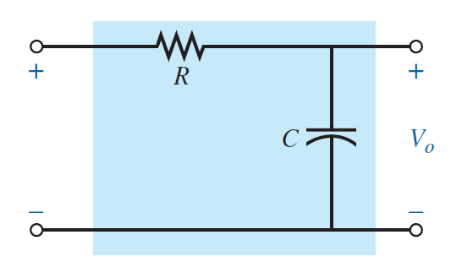
Magnitude relationship calculation
 | fc (Hz) | f (Hz)
 | 1.51E+04 | 10000
Av | 8.34E-01
Av (dB) | -1.58E+00

Phase relationship calculation
 | fc (Hz) | f (Hz)
 | 1.51E+04 | 10000
Phase (degrees) | 33.48

